301
PROBLEM
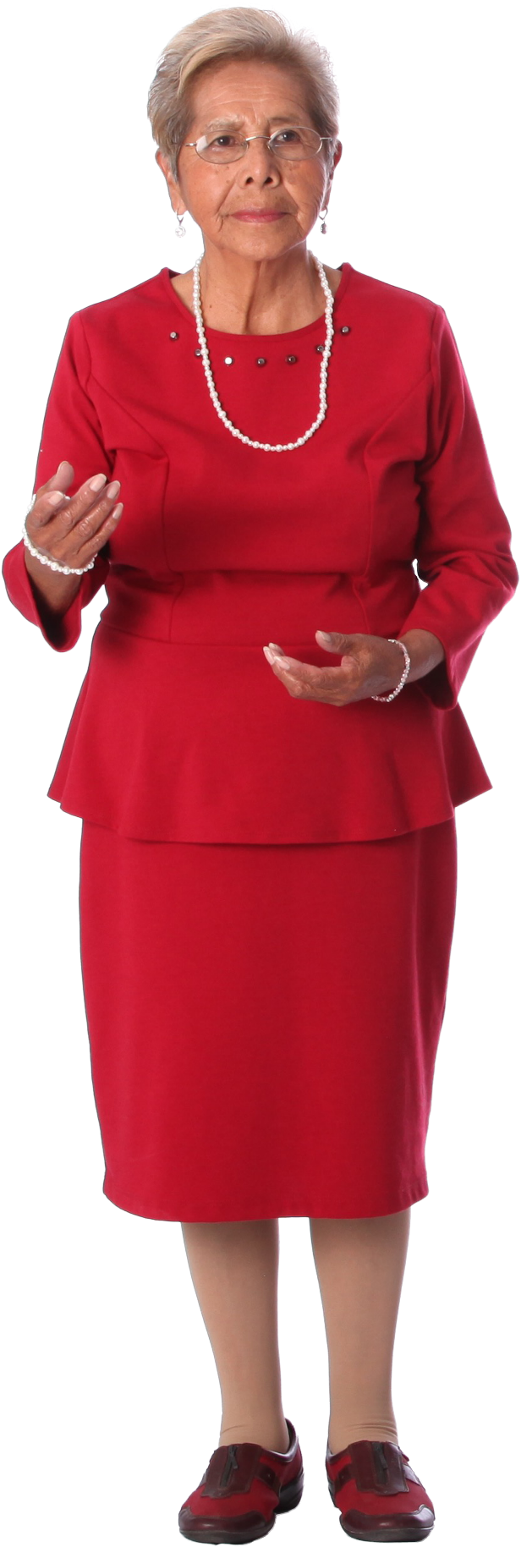
Col1 | Col2 | Col3 | Col4 | Col5 | Letter1 | Letter2 | Total | Letter1 | Letter2 | Total | TRUE | TRUE | TRUE
A | B | C | D | E | A | B | 167 | A | B | 167 | TRUE | TRUE | TRUE
90 | 77 | 46 | 10 | 98 | A | C | 136 | A | C | 136 | TRUE | TRUE | TRUE
RESULT
G | H | I | J |  | A | D | 100 | A | D | 100 | TRUE | TRUE | TRUE
50 | 31 | 30 | 68 |  | A | E | 188 | A | E | 188 | TRUE | TRUE | TRUE
K | L | M |  |  | B | C | 123 | B | C | 123 | TRUE | TRUE | TRUE
11 | 42 | 41 |  |  | B | D | 87 | B | D | 87 | TRUE | TRUE | TRUE
P | Q |  |  |  | B | E | 175 | B | E | 175 | TRUE | TRUE | TRUE
63 | 29 |  |  |  | C | D | 56 | C | D | 56 | TRUE | TRUE | TRUE
 |  |  |  |  | C | E | 144 | C | E | 144 | TRUE | TRUE | TRUE
 |  |  |  |  | D | E | 108 | D | E | 108 | TRUE | TRUE | TRUE
From each alphabetic row prepare the combinations of alphabets and sum the numbers appearing beneath those alphabetic rows.
 |  |  |  |  | G | H | 81 | G | H | 81 | TRUE | TRUE | TRUE
 |  |  |  |  | G | I | 80 | G | I | 80 | TRUE | TRUE | TRUE
 |  |  |  |  | G | J | 118 | G | J | 118 | TRUE | TRUE | TRUE
 |  |  |  |  | H | I | 61 | H | I | 61 | TRUE | TRUE | TRUE
 |  |  |  |  | H | J | 99 | H | J | 99 | TRUE | TRUE | TRUE
 |  |  |  |  | I | J | 98 | I | J | 98 | TRUE | TRUE | TRUE
 |  |  |  |  | K | L | 53 | K | L | 53 | TRUE | TRUE | TRUE
 |  |  |  |  | K | M | 52 | K | M | 52 | TRUE | TRUE | TRUE
 |  |  |  |  | L | M | 83 | L | M | 83 | TRUE | TRUE | TRUE
 |  |  |  |  | P | Q | 92 | P | Q | 92 | TRUE | TRUE | TRUE

